Page 7
Wireless Z-2400-A2 Series / Multiplexers / Comms Converters / 2300 Series Remote Stations
Wireless Z-2400-A2 Series |  | NZ$ | US$ | EUR€
Z-2400-A2IO | One Wireless Output node and One Input node, Paired & supplied as a Kit: | $1,004.00 | $593.00 | €517.00
Z-2400-A2I | Input Remote Wireless node. 2x Isolated Universal Inputs, 4x Digital I/O. Note: The Z-2400-A2I can also be used with the Z-2400 Series as part of a MicroScan SCADA Wireless system. See page 11. | Z-2400-A2IO Kit Only
Z-2400-A2O | Output Remote Wireless node. 2x 4~20mA Outputs, 4x Digital I/O. | Z-2400-A2IO Kit Only
Z-2400-A2R | Repeater node for Wireless Expansion. | $420.00 | $248.00 | €216.00
XU-USB (Rev 2) | USB Programming Key for programming Z-2400-A2 Series with uP Configure software | $86.00 | $51.00 | €45.00
Z-2400-A2 High Gain Antenna options ZA (instead of standard whip type). |  | See Page 11 for options and pricing
PSW-10-F | 24Vdc, 1.0A Instrument Power Supply for the Z-2400-A2 Series | $58.00 | $35.00 | €30.00
Notes: | All Z-2400 Wireless modules require a 9~36Vdc power supply.
 | 2.4GHz modules certified for use in USA, Canada, Europe, Australia and New Zealand.

Multiplexers | Power supply 85~264Vac/dc or 23~90Vdc (field selectable) | NZ$ | US$ | EUR€
2100-M-R | RTD Pt100 inputs | $870.00 | $514.00 | €448.00
2100-M-I | mA inputs | $806.00 | $476.00 | €415.00

Converters Serial and Ethernet |  | NZ$ | US$ | EUR€
2100-IS-USB | Isolating USB to RS485 or RS422 (selectable) Converter. Relay output for comms failure. | $410.00 | $242.00 | €211.00

2100-NET | Ethernet TCP/IP to RS232/422/485 converter | $788.00 | $465.00 | €406.00
The 2100-NET is used with the 2400/2100 series I/O Remote Stations and Shimaden Controllers when connecting via Ethernet TCP/IP.
The 2400-A16-NET and 2100-A16-NET connect directly via Ethernet TCP/IP.
2300-NET | Ethernet TCP/IP to RS485 converter, Modbus TCP to Modbus RTU, 24Vdc | $449.00 | $265.00 | €231.00
The 2300-NET is used with the 2300 series I/O Remote Stations when connecting via Ethernet TCP/IP.
PSW-10-F | 24Vdc, 1.0A Instrument Power Supply for the 2300-NET | $58.00 | $35.00 | €30.00

2300 Stand-alone Analog & Digital input/output stations - Low cost - Connects to MicroScan V5 software
Modbus RTU with Modbus TCP option. Power Supply: 24Vdc |  | NZ$ | US$ | EUR€
Important: The 2300-XX stations cannot share a data hi-way with the 2400-XX / 2100-XX stations and/or Shimaden Controllers.
2300-A8II | 8x 4~20mA (0~20mA) inputs, 1.0KV isolation between each input | $589.00 | $348.00 | €303.00
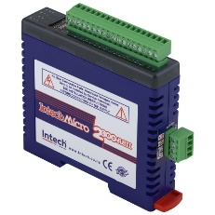
2300-Tc8 | 8x Thermocouple & mV inputs, 350V peak isolation between each input | $567.00 | $335.00 | €292.00
2300-RTD6 | 6x RTD inputs, Pt100, Pt1000, Ni120, Ni1000 | $401.00 | $237.00 | €207.00
2300-MULTI | Combination inputs and outputs, single ended | $564.00 | $333.00 | €290.00
 | 2x RTD inputs, 2x 4~20mA inputs OR 2x 0~10Vdc inputs, 1x 4~20mA output, 4x Digital inputs, 2x Digital outputs
2300-D16 | 16x Digital inputs | $350.00 | $207.00 | €180.00
2300-RO4 | 4x Relay outputs, Change over contacts, One output can be dedicated to Comms Fail Alarm | $327.00 | $193.00 | €169.00
2300-AO8I | 8x 4~20mA (0~20mA) outputs, single ended | $477.00 | $282.00 | €246.00
24Vdc Power Supply:
PSW-10-F | 24Vdc, 1.0A Instrument Power Supply for the 2300 Series | $58.00 | $35.00 | €30.00

Page 9
Data logging and SCADA Software Packages
Data logging and SCADA Software Packages - Comes complete with USB dongle |  | NZ$ | US$ | EUR€
MicroScan v5 software Recorder Packages
R8 | MicroScan recorder, 8 inputs, 8 outputs | $1,312.00 | $775.00 | €675.00
R16 | MicroScan recorder, 16 inputs, 16 outputs | $1,344.00 | $793.00 | €691.00
R32 | MicroScan recorder, 32 inputs, 32 outputs | $1,500.00 | $885.00 | €771.00
R50 | MicroScan recorder, 50 inputs, 160 outputs | $1,575.00 | $930.00 | €810.00
R100 | MicroScan recorder, 100 inputs, 160 outputs | $2,016.00 | $1,190.00 | €1,037.00
R200 | MicroScan recorder, 200 inputs, 160 outputs | $2,730.00 | $1,611.00 | €1,404.00
R300 | MicroScan recorder, 300 inputs, 160 outputs | $3,192.00 | $1,884.00 | €1,641.00
R400 | MicroScan recorder, 400 inputs, 160 outputs | $3,638.00 | $2,147.00 | €1,870.00
R600 | MicroScan recorder, 600 inputs, 160 outputs | $4,462.00 | $2,633.00 | €2,294.00
R800 | MicroScan recorder, 800 inputs, 160 outputs | $5,240.00 | $3,092.00 | €2,694.00
R1000 | MicroScan recorder, 1000 inputs, 160 outputs | $5,922.00 | $3,494.00 | €3,044.00
Maximum Recorder Lines = 1000 made up of 100 pages with 10 lines on each page

MicroScan v5 software Tag Packages including Recorder, Mimics, Shimaden, DDE
T50 | MicroScan software package, 50 tags | $1,921.00 | $1,134.00 | €988.00
T75 | MicroScan software package, 75 tags | $2,258.00 | $1,333.00 | €1,161.00
T150 | MicroScan software package, 150 tags | $3,276.00 | $1,933.00 | €1,684.00
T300 | MicroScan software package, 300 tags | $4,284.00 | $2,528.00 | €2,202.00
T500 | MicroScan software package, 500 tags | $5,281.00 | $3,116.00 | €2,715.00
T750 | MicroScan software package, 750 tags | $6,290.00 | $3,712.00 | €3,234.00
T5000 | MicroScan software package, 5000 tags | $7,276.00 | $4,293.00 | €3,740.00
Maximum Tags = 5000 (max I/O = 5000)
SYM | Symbol Factory Library for Mimics images | POA | POA | POA

Optional software modules |  | NZ$ | US$ | EUR€
TB+ | MicroScan Tool Box | $1,840.00 | $1,086.00 | €946.00
PLC | PLC Interface - specify PLC make and model | $550.00 | $325.00 | €283.00
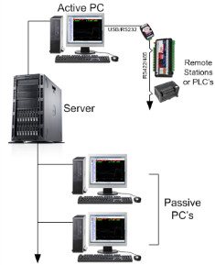
Network Drivers
P1 | Active PC will support 1 Passive PC | $760.00 | $449.00 | €391.00
P2 | Active PC will support 2 Passive PC's | $1,210.00 | $714.00 | €622.00
P3 | Active PC will support 3 Passive PC's | $1,660.00 | $980.00 | €854.00
P4 | Active PC will support 4 Passive PC's | $2,100.00 | $1,239.00 | €1,080.00
P5 | Active PC will support 5 Passive PC | $2,540.00 | $1,499.00 | €1,306.00
P6+ | Active PC will support 6 or more passive nodes | $2,780.00 | $1,641.00 | €1,429.00

Upgrade options - Dongle / Software Key / Version / Package + Modules |  | NZ$ | US$ | EUR€
Version Upgrade | V4 to V5 = 35% of the equivalent V5 list price including all modules plus Dongle or License Key Upgrade | 35% | 35% | 35%
Package + Modules Upgrade | Upgrading to a larger package + modules combination. Price is the dollar difference between packages + modules plus and plus Dongle or License Key Upgrade | $230.00 | $136.00 | €119.00
Dongle Upgrade | If you require a USB (Super Pro) dongle (see Notes below) | $480.00 | $284.00 | €247.00
License Key Upgrade | If you already have a USB or Parallel (Super Pro) dongle. Replacement for lost file. | $198.00 | $117.00 | €102.00
Note 1: | Dongle options: USB (standard) or Parallel (on special request) - Dongle includes the License Key. Old Sentinel C dongles are now redundant and must be returned to Intech
Note 2: | USB dongles have the advantage of being able to move computer if required without incurring an additional charge. Important Note: Software locking is no longer available!

Page 11
Data Loggers
HR Series Data Loggers - rugged 304 stainless steel case |  | NZ$ | US$ | EUR€
T-HR | Single temperature. IP68 rating | $357.00 | $211.00 | €184.00
HT-HR | Humidity and temperature | $511.00 | $302.00 | €263.00
Tc-HR | Dual temperature. Type J, K, N, R, T (Does not include thermocouple probe) | $486.00 | $287.00 | €250.00
HHT-03 | Type K thermocouple temperature probe for Tc-HR | $68.00 | $41.00 | €35.00
Tc-HR Plug Set | 70mm lead c/w plugs (Specify thermocouple type). Includes Switchcraft plug (logger end) and Mini jack (connects to T/c Mini plug). Mini plugs are also available on request. | $54.00 | $32.00 | €28.00
Pt-HR | Dual temperature. RTD Pt100/Pt500/Pt1000 (Does not include RTD probe) | $438.00 | $259.00 | €226.00
TP-Pt100 | RTD Pt100 temperature probe for Pt-HR, range -100~150°C | $160.00 | $95.00 | €83.00
mV-HR | milli-Volt ±50mV / ±100mV / ±200mV / ±400mV dc range (does not include test lead) | $450.00 | $266.00 | €232.00
mV-HR Lead | Test lead set | $95.00 | $57.00 | €49.00
WT-HR | Water level, air temperature, and water temperature
5 ranges | 0~0.5m WT-HR-500 | $745.00 | $440.00 | €383.00
 | 0~1.0m WT-HR-1000 | $819.00 | $484.00 | €421.00
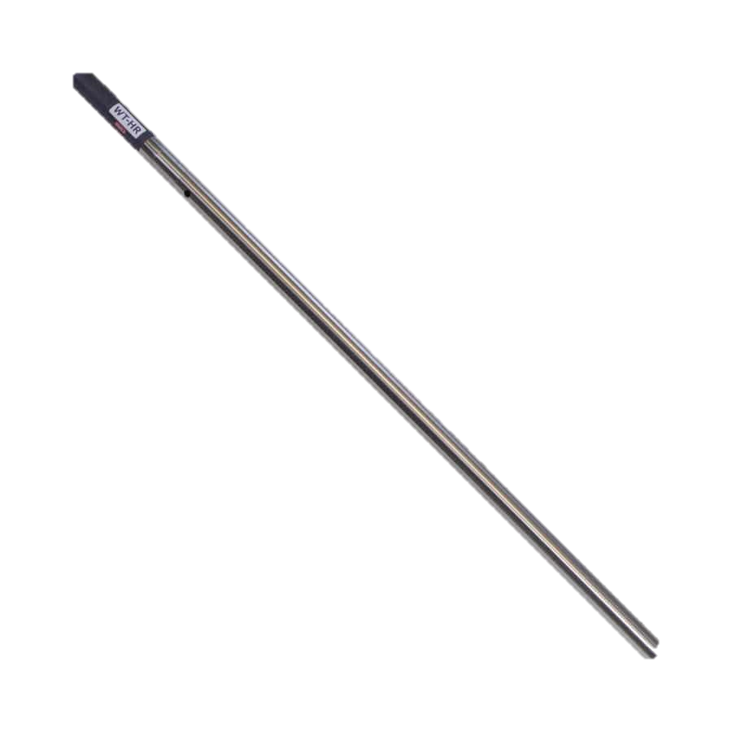
 | 0~1.5m WT-HR-1500 | $892.00 | $527.00 | €459.00
 | 0~2.0m WT-HR-2000 | $934.00 | $552.00 | €481.00
 | Option for 316 S/S for salt water | $123.00 | $73.00 | €64.00
pH-HR | pH and temperature (Does not include pH probe - see Page 15 for probes) | $442.00 | $261.00 | €228.00
pH-HR Plug Set | Fit plug set to pH sensor for use with pH-HR logger. We recommend using a pH sensor fitted with a RTD Pt100 sensor for the best possible accuracy. | $54.00 | $32.00 | €28.00
GP-HR | 4 input general purpose logger (Also requires the Add on probe sets below) | $447.00 | $264.00 | €230.00
Add on probe sets for GP-HR | Standard probe sets are listed. Other combinations available - Contact Intech.
mA1-PS | One 4~20mA or 0~20mA input | $68.00 | $41.00 | €35.00
mA3+P-PS | Three 4~20mA or 0~20mA inputs c/w one pulse input | $90.00 | $54.00 | €47.00
##VD3-PS | Three DC voltage inputs. ## = Specify voltage up to 32Vdc | $75.00 | $45.00 | €39.00
L-PS | Light energy cable. | $70.00 | $42.00 | €36.00
Pt3-PS | Three RTD Pt1000 temperature probes, range -50~130°C (Logger maximum RTD Pt1000 range is -100~400°C) | $220.00 | $130.00 | €114.00
P100-HR-PS | Pressure sensor. Range = -15~100psi (Overload 200psi, Burst 500psi). | $520.00 | $307.00 | €268.00
P300-HR-PS | Pressure sensor. Range = -15~300psi (Overload 600psi, Burst 1500psi). | $520.00 | $307.00 | €268.00
R-PS | One Slow Pulse for Rain Gauge input | $68.00 | $41.00 | €35.00
Flow-mA2-PS | Coil or open collector plus two 4~20mA inputs | $105.00 | $62.00 | €54.00
ACM-mA2-PS | Flow metering off the pump run contact plus two 4~20mA inputs | $98.00 | $58.00 | €51.00

Replacement Battery Kits
DLC3 Tester | Contains One Mark4 battery. Comes complete with stainless tube, 2 Orings & new label. | $125.00 | $74.00 | €65.00
DLC3 Tester Kit | Contains Three Mark4 batteries. Comes complete with stainless tube, 2 Orings & new label. | $200.00 | $118.00 | €103.00
HR-Battery Mk4 | Spare Mark4 battery ONLY available at the time of purchase of an HR Data logger. | $80.00 | $48.00 | €42.00
HR-Battery Mk3 | Mark3 loggers must be returned to Intech for factory replacement of batteries.
DLC3USB | Spare HR Series download cable (USB) | $122.00 | $72.00 | €63.00
 | Omni7 software is free to download from our website

