Page 3
Intech Instruments Ltd Export Price List - 2022

Discount
 | International Price Discount Schedule
 | (per purchase order)
 | NZ$ | US$ / EUR | Discount
10%
 | 0~1,000 | 0~1,000 | 10%
15%
 | 1,001~6,000 | 1,001~4,500 | 15%
20%
 | 6,001~10,000 | 4,501~8,500 | 20%
25%
 | 10,001 up | 8,501 up | 25%

 | Notes:
 | On any one purchase order, take the total list price of all items you will be ordering.
 | Match this total price against the above list, and deduct the appropriate discount.
 | Please ensure you use the correct currency from the table above.

 | All prices are FOB Christchurch, New Zealand
 | All bank charges to your account

Model | Description | Price Per Unit (NZ$) | Price Per Unit (US$) | Price Per Unit (EUR)

XU Universal Input Transmitter Series - Processor, USB Programmable |  | NZ$ | US$ | EUR€
XU2 | Loop Powered Transmitter Isolated Universal Input | $182.00 | $128.00 | €113.00
XU2HI | Head Mount Loop Powered Transmitter Isolated RTD & Thermocouple | $170.00 | $119.00 | €106.00
XU2HN | Head Mount Loop Powered Transmitter Non Isolated RTD only | $87.00 | $61.00 | €54.00
XU-Spring-Kit | For vibration areas or where wide ambient temperatures exist on the probe head. | $10.00 | $7.00 | €7.00
XU4 | 4 wire (powered) Transmitter Isolated Universal Input | $226.00 | $159.00 | €140.00
XU-USB (Rev 1) | USB Programming Key for programming XU Transmitters with XU Software | $92.00 | $65.00 | €57.00

XJ2 | Single Loop Powered Transmitter - Universal Input, Analogue | $240.00 | $168.00 | €149.00
XJ22 | Dual Loop Powered Transmitter - Universal Input, Analogue | $405.00 | $284.00 | €251.00
XJ4 | Single 4 wire (powered) Transmitter - Universal Input, Analogue | $365.00 | $256.00 | €226.00

XID-L1 | Single 4~20 to 4~20mA Loop powered isolator, Input Resistance 250Ω | $204.00 | $143.00 | €127.00
XID-L2 | Dual 4~20 to 4~20mA Loop powered isolators, Input Resistance 250Ω | $365.00 | $256.00 | €226.00
XID-L4 | Quad 4~20 to 4~20mA Loop powered isolators, Input Resistance 250Ω | $580.00 | $406.00 | €359.00
XID-P1 | Single 4~20 to 4~20mA 24Vdc powered isolator | $239.00 | $168.00 | €148.00
XI-L1 | Single 4~20 to 4~20mA Loop powered isolator, Input Resistance 50Ω | $234.00 | $164.00 | €145.00
XI-L2 | Dual 4~20 to 4~20mA Loop powered isolators, Input Resistance 50Ω | $440.00 | $308.00 | €272.00
XI-L4 | Quad 4~20 to 4~20mA Loop powered isolators, Input Resistance 50Ω | $650.00 | $455.00 | €402.00
XI-P1 | Single 4~20 to 4~20mA Input powered isolator | $285.00 | $200.00 | €177.00
XI-P2 | Dual 4~20 to 4~20mA Input powered isolators | $495.00 | $347.00 | €306.00
XI-P4 | Quad 4~20 to 4~20mA Input powered isolators | $739.00 | $518.00 | €457.00

Page 10
Data logging and SCADA Software Packages
Data logging and SCADA Software Packages - Comes complete with USB dongle |  | NZ$ | US$ | EUR€
MicroScan v5 software Recorder Packages
R8 | MicroScan recorder, 8 inputs, 8 outputs | $1,680.00 | $1,176.00 | €1,039.00
R16 | MicroScan recorder, 16 inputs, 16 outputs | $1,880.00 | $1,316.00 | €1,162.00
R32 | MicroScan recorder, 32 inputs, 32 outputs | $2,095.00 | $1,467.00 | €1,295.00
R50 | MicroScan recorder, 50 inputs, 160 outputs | $2,215.00 | $1,551.00 | €1,369.00
R100 | MicroScan recorder, 100 inputs, 160 outputs | $2,824.00 | $1,977.00 | €1,746.00
R200 | MicroScan recorder, 200 inputs, 160 outputs | $3,822.00 | $2,676.00 | €2,362.00
R300 | MicroScan recorder, 300 inputs, 160 outputs | $4,460.00 | $3,122.00 | €2,757.00
R400 | MicroScan recorder, 400 inputs, 160 outputs | $5,090.00 | $3,563.00 | €3,146.00
R600 | MicroScan recorder, 600 inputs, 160 outputs | $6,205.00 | $4,344.00 | €3,835.00
R800 | MicroScan recorder, 800 inputs, 160 outputs | $7,335.00 | $5,135.00 | €4,534.00
R1000 | MicroScan recorder, 1000 inputs, 160 outputs | $8,280.00 | $5,796.00 | €5,118.00
Maximum Recorder Lines = 1000 made up of 100 pages with 10 lines on each page

MicroScan v5 software Tag Packages including Recorder, Mimics, Shimaden, DDE
T50 | MicroScan software package, 50 tags | $2,674.00 | $1,872.00 | €1,653.00
T75 | MicroScan software package, 75 tags | $3,162.00 | $2,214.00 | €1,955.00
T150 | MicroScan software package, 150 tags | $4,586.00 | $3,211.00 | €2,835.00
T300 | MicroScan software package, 300 tags | $5,985.00 | $4,190.00 | €3,699.00
T500 | MicroScan software package, 500 tags | $7,380.00 | $5,166.00 | €4,561.00
T750 | MicroScan software package, 750 tags | $8,790.00 | $6,153.00 | €5,433.00
T5000 | MicroScan software package, 5000 tags | $10,190.00 | $7,133.00 | €6,298.00
Maximum Tags = 5000 (max I/O = 5000)
SYM | Symbol Factory Library for Mimics images | POA | POA | POA

Optional software modules |  | NZ$ | US$ | EUR€
TB+ | MicroScan Tool Box | $1,840.00 | $1,288.00 | €1,138.00
PLC | PLC Interface - specify PLC make and model | $630.00 | $441.00 | €390.00

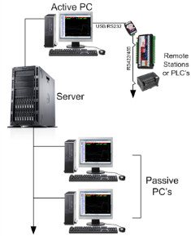
Network Drivers
P1 | Active PC will support 1 Passive PC | $998.00 | $699.00 | €617.00
P2 | Active PC will support 2 Passive PC's | $1,525.00 | $1,068.00 | €943.00
P3 | Active PC will support 3 Passive PC's | $2,050.00 | $1,435.00 | €1,267.00
P4 | Active PC will support 4 Passive PC's | $2,580.00 | $1,806.00 | €1,595.00
P5 | Active PC will support 5 Passive PC | $3,070.00 | $2,149.00 | €1,898.00
P6+ | Active PC will support 6 or more passive nodes | $3,470.00 | $2,429.00 | €2,145.00

Upgrade options - Dongle / Software Key / Version / Package + Modules |  | NZ$ | US$ | EUR€
Version Upgrade | V4 to V5 = 35% of the equivalent V5 list price including all modules plus Dongle or License Key Upgrade | 35% | 35% | 35%
Package + Modules Upgrade | Upgrading to a larger package + modules combination. Price is the dollar difference between packages + modules plus and plus Dongle or License Key Upgrade | $230.00 | $161.00 | €143.00
Dongle Upgrade | If you require a USB (Super Pro) dongle (see Notes below) | $480.00 | $336.00 | €297.00
License Key Upgrade | If you already have a USB or Parallel (Super Pro) dongle. Replacement for lost file. | $198.00 | $139.00 | €123.00
Note 1: | Dongle options: USB (standard) or Parallel (on special request) - Dongle includes the License Key. Old Sentinel C dongles are now redundant and must be returned to Intech
Note 2: | USB dongles have the advantage of being able to move computer if required without incurring an additional charge. Important Note: Software locking is no longer available!

Page 11


MA5 / Shimaden Lite Software
MicroScan MA5 mobile alarm software - for use with MicroScan V5 and Microsoft .NET 2.0 |  | NZ$ | US$ | EUR€
MA5 | For MicroScan V5 software packages. | POA | POA | POA
 | Customer to supply Modem Kit, see Intech for advice.
MA5-Lite | For MicroScan V5 R8, R16 & R32 software packages only. Includes all features of MA5 | POA | POA | POA

Shimaden Lite software |  | NZ$ | US$ | EUR€
Shimaden-Lite | Shimaden Lite software package (Note: Shimaden Lite should only be used with Windows XP or above and is not a replacement for a full SCADA system) | N/C | N/C | N/C

Z-2400 Series (Wireless MicroScan and Data Logging Communication)
ZigBee® Modules. Power Supply: 9~36Vdc. |  | NZ$ | US$ | EUR€
Z-2400-RB-T | ZigBee® Base or Router (RS485, RS422, RS232). 100mW | $486.00 | $341.00 | €301.00
Z-2400-TCP-T | ZigBee® Ethernet - MicroScan or Modbus Base Only. 100mW | $795.00 | $557.00 | €492.00
Z-2400-A2I | ZigBee® Input - 2x Universal inputs, 4x Digital inputs, 2x Digital outputs, 2x Relay outputs. 100mW. | $475.00 | $333.00 | €294.00
Z-2400-Sleeper | ZigBee® Sleeper Plug Powered & Battery Powered + 2 Universal Inputs. 1mW | $618.00 | $433.00 | €382.00
Z-2400-BAT | Replacement Z-2400-Sleeper battery | $69.00 | $49.00 | €43.00
XU-USB (Rev 1) | USB Programming Key for programming Z-2400-A2I and Z-2400-Sleeper with XU Software | $92.00 | $65.00 | €57.00
PSW-10-F | 24Vdc, 1.0A Instrument Power Supply for the Z-2400 Series | $49.00 | $35.00 | €31.00
Notes: | All Z-2400 Wireless modules require a 9~36Vdc power supply.
 | 2.4GHz modules certified for use in USA, Canada, Europe, Australia and New Zealand.

2.4GHz Indoor /Outdoor High Gain Antennas |  | NZ$ | US$ | EUR€
2.4Ghz Indoor Antennas for Z-2400 Series.
ZA-OD24-5 | 2.4Ghz Indoor Antenna for Z-2400 Series. Indoor 5.5dBi Omni Directional Rubber Duck Antenna. | $41.00 | $29.00 | €26.00
ZB-P-45 | Extension Coax for Z-2400 Series Indoor Antenna. RP-SMA Type with Bulkhead 0.2m. | $32.00 | $23.00 | €20.00
2.4Ghz Outdoor Antennas for Z-2400 Series.(Outdoor antennas are supplied with mounting brackets and coax-seal)
ZA-OD24-2 | Outdoor 2.2dBi Omni Directional Whip Antenna c/w 0.5m coax cable. | $118.00 | $83.00 | €73.00
ZA-OD24-8 | Outdoor 8dBi Omni Directional Monopole Antenna c/w 3m coax cable. | $259.00 | $182.00 | €161.00
ZA-PG24-19 | Outdoor 19dBi Directional Parabolic Grid Antenna c/w 3m coax cable. | $221.00 | $155.00 | €137.00

Communication Modules for RS485/422 |  | NZ$ each | US$ each | EUR€ each
Digi485 | Digi Radio Modem for RS485/422. | $535.00 | $375.00 | €331.00

Page 12
Data Loggers
HR Series Data Loggers - rugged 304 stainless steel case |  | NZ$ | US$ | EUR€
T-HR | Single temperature. IP68 rating | $396.00 | $278.00 | €245.00
HT-HR | Humidity and temperature | $482.00 | $338.00 | €298.00
Tc-HR | Dual temperature. Type J, K, N, R, T (Does not include thermocouple probe) | $464.00 | $325.00 | €287.00
HHT-03 | Type K thermocouple temperature probe for Tc-HR | $43.00 | $31.00 | €27.00
Tc-HR Plug Set | 70mm lead c/w plugs (Specify thermocouple type). Includes Switchcraft plug (logger end) and Mini jack (connects to T/c Mini plug). Mini plugs are also available on request. | $48.00 | $34.00 | €30.00
Pt-HR | Dual temperature. RTD Pt100/Pt500/Pt1000 (Does not include RTD probe) | $464.00 | $325.00 | €287.00
TP-Pt100 | RTD Pt100 temperature probe for Pt-HR, range -100~150°C | $108.00 | $76.00 | €67.00
mV-HR | milli-Volt ±50mV / ±100mV / ±200mV / ±400mV dc range (does not include test lead) | $460.00 | $322.00 | €285.00
mV-HR Lead | Test lead set | $95.00 | $67.00 | €59.00
WT-HR | Water level, air temperature, and water temperature
Water level, | 0~0.25m WT-HR-250 | $660.00 | $462.00 | €408.00
5 ranges | 0~0.5m WT-HR-500 | $680.00 | $476.00 | €421.00
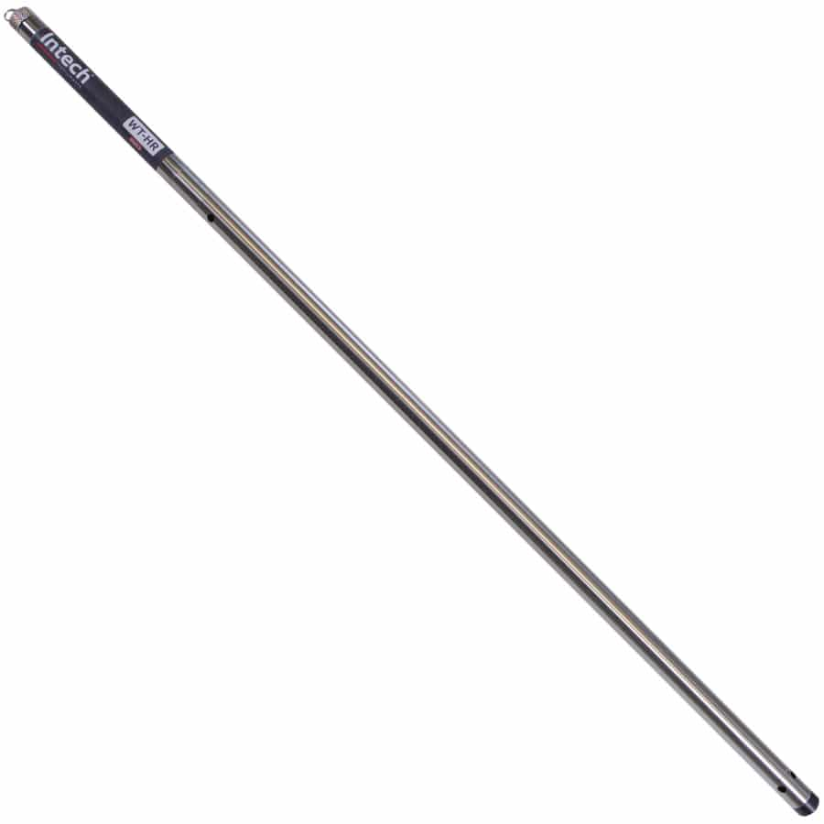
 | 0~1.0m WT-HR-1000 | $750.00 | $525.00 | €464.00
 | 0~1.5m WT-HR-1500 | $810.00 | $567.00 | €501.00
 | 0~2.0m WT-HR-2000 | $860.00 | $602.00 | €532.00
 | Option for 316 S/S for salt water | $123.00 | $87.00 | €77.00

pH-HR | pH and temperature (Does not include pH probe - see Page 15 for probes) | $464.00 | $325.00 | €287.00
pH-HR Plug Set | Fit plug set to pH sensor for use with pH-HR logger. We recommend using a pH sensor fitted with a RTD Pt100 sensor for the best possible accuracy. | $48.00 | $34.00 | €30.00
GP-HR | 4 input general purpose logger (Also requires the Add on probe sets below) | $495.00 | $347.00 | €306.00
Add on probe sets for GP-HR | Standard probe sets are listed. Other combinations available - Contact Intech.
mA1-PS | One 4~20mA or 0~20mA input | $58.00 | $41.00 | €36.00
mA3+P-PS | Three 4~20mA or 0~20mA inputs c/w one pulse input | $82.00 | $58.00 | €51.00
##VD3-PS | Three DC voltage inputs. ## = Specify voltage up to 32Vdc | $80.00 | $56.00 | €50.00
L-PS | Light energy cable. | $80.00 | $56.00 | €50.00
Pt3-PS | Three RTD Pt1000 temperature probes, range -50~130°C (Logger maximum RTD Pt1000 range is -100~400°C) | $230.00 | $161.00 | €143.00
P100-HR-PS | Pressure sensor. Range = -15~100psi (Overload 200psi, Burst 500psi). | $575.00 | $403.00 | €356.00
P300-HR-PS | Pressure sensor. Range = -15~300psi (Overload 600psi, Burst 1500psi). | $575.00 | $403.00 | €356.00
R-PS | One Slow Pulse for Rain Gauge input | $60.00 | $42.00 | €38.00
Flow-mA2-PS | Coil or open collector plus two 4~20mA inputs | $125.00 | $88.00 | €78.00
ACM-mA2-PS | Flow metering off the pump run contact plus two 4~20mA inputs | $110.00 | $77.00 | €68.00

Replacement Battery Kits
DLC3 Tester | Contains One Mark4 battery. Comes complete with stainless tube, 2 Orings & new label. | $125.00 | $88.00 | €78.00
DLC3 Tester Kit | Contains Three Mark4 batteries. Comes complete with stainless tube, 2 Orings & new label. | $200.00 | $140.00 | €124.00
HR-Battery Mk4 | Spare Mark4 battery ONLY available at the time of purchase of an HR Data logger. | $55.00 | $39.00 | €34.00
HR-Battery Mk3 | Mark3 loggers must be returned to Intech for factory replacement of batteries.

DLC3USB | Spare HR Series download cable (USB) | $126.00 | $89.00 | €78.00
Omni7 | Omni7 software in USB/CD (Free to download from our website) | $25.00 | $18.00 | €16.00

