Page 3
Intech Instruments Ltd Distributor Price List - 2022

Discount
 | International Price Discount Schedule
 | (per purchase order)
 | NZ$ | US$ / EUR | Discount
0%
 | 0~2,000 | 0~1,000 | 0%
10%
 | 2,001~7,500 | 1,001~5,000 | 10%
15%
 | 7,501~12,000 | 5,001~8,500 | 15%
20%
 | 12,001~28,000 | 8,501~19,000 | 20%
23%
 | 28,001 up | 19,001 up | 23%

 | Notes:
 | On any one purchase order, take the total list price of all items you will be ordering.
 | Match this total price against the above list, and deduct the appropriate discount.
 | Please ensure you use the correct currency from the table above.

 | All prices are FOB Christchurch, New Zealand
 | All bank charges to your account

Model | Description | Price Per Unit (NZ$) | Price Per Unit (US$) | Price Per Unit (EUR)

XU Universal Input Transmitter Series - Processor, USB Programmable |  | NZ$ | US$ | EUR€
XU2 | Loop Powered Transmitter Isolated Universal Input | $150.00 | $105.00 | €93.00
XU2HI | Head Mount Loop Powered Transmitter Isolated RTD & Thermocouple | $140.00 | $98.00 | €87.00
XU2HN | Head Mount Loop Powered Transmitter Non Isolated RTD only | $72.00 | $51.00 | €45.00
XU-Spring-Kit | For vibration areas or where wide ambient temperatures exist on the probe head. | $10.00 | $7.00 | €7.00
XU4 | 4 wire (powered) Transmitter Isolated Universal Input | $186.00 | $131.00 | €116.00
XU-USB (Rev 1) | USB Programming Key for programming XU Transmitters with XU Software | $74.00 | $52.00 | €46.00

XJ2 | Single Loop Powered Transmitter - Universal Input, Analogue | $192.00 | $135.00 | €120.00
XJ22 | Dual Loop Powered Transmitter - Universal Input, Analogue | $332.00 | $233.00 | €206.00
XJ4 | Single 4 wire (powered) Transmitter - Universal Input, Analogue | $298.00 | $209.00 | €185.00

XID-L1 | Single 4~20 to 4~20mA Loop powered isolator, Input Resistance 250Ω | $163.00 | $115.00 | €102.00
XID-L2 | Dual 4~20 to 4~20mA Loop powered isolators, Input Resistance 250Ω | $292.00 | $205.00 | €182.00
XID-L4 | Quad 4~20 to 4~20mA Loop powered isolators, Input Resistance 250Ω | $464.00 | $325.00 | €288.00
XID-P1 | Single 4~20 to 4~20mA 24Vdc powered isolator | $192.00 | $135.00 | €120.00
XI-L1 | Single 4~20 to 4~20mA Loop powered isolator, Input Resistance 50Ω | $187.00 | $131.00 | €116.00
XI-L2 | Dual 4~20 to 4~20mA Loop powered isolators, Input Resistance 50Ω | $357.00 | $250.00 | €222.00
XI-L4 | Quad 4~20 to 4~20mA Loop powered isolators, Input Resistance 50Ω | $538.00 | $377.00 | €334.00
XI-P1 | Single 4~20 to 4~20mA Input powered isolator | $230.00 | $161.00 | €143.00
XI-P2 | Dual 4~20 to 4~20mA Input powered isolators | $400.00 | $280.00 | €248.00
XI-P4 | Quad 4~20 to 4~20mA Input powered isolators | $592.00 | $415.00 | €368.00

Page 10
Data logging and SCADA Software Packages - Comes complete with USB dongle |  | NZ$ | US$ | EUR€
MicroScan v5 software Recorder Packages
R8 | MicroScan recorder, 8 inputs, 8 outputs | $1,260.00 | $882.00 | €782.00
R16 | MicroScan recorder, 16 inputs, 16 outputs | $1,412.00 | $989.00 | €876.00
R32 | MicroScan recorder, 32 inputs, 32 outputs | $1,576.00 | $1,104.00 | €978.00
R50 | MicroScan recorder, 50 inputs, 160 outputs | $1,654.00 | $1,158.00 | €1,026.00
R100 | MicroScan recorder, 100 inputs, 160 outputs | $2,117.00 | $1,482.00 | €1,313.00
R200 | MicroScan recorder, 200 inputs, 160 outputs | $2,867.00 | $2,007.00 | €1,778.00
R300 | MicroScan recorder, 300 inputs, 160 outputs | $3,352.00 | $2,347.00 | €2,079.00
R400 | MicroScan recorder, 400 inputs, 160 outputs | $3,819.00 | $2,674.00 | €2,368.00
R600 | MicroScan recorder, 600 inputs, 160 outputs | $4,684.00 | $3,279.00 | €2,905.00
R800 | MicroScan recorder, 800 inputs, 160 outputs | $5,503.00 | $3,853.00 | €3,412.00
R1000 | MicroScan recorder, 1000 inputs, 160 outputs | $6,219.00 | $4,354.00 | €3,856.00
Maximum Recorder Lines = 1000 made up of 100 pages with 10 lines on each page

MicroScan v5 software Tag Packages including Recorder, Mimics, Shimaden, DDE
T50 | MicroScan software package, 50 tags | $2,018.00 | $1,413.00 | €1,252.00
T75 | MicroScan software package, 75 tags | $2,370.00 | $1,659.00 | €1,470.00
T150 | MicroScan software package, 150 tags | $3,440.00 | $2,408.00 | €2,133.00
T300 | MicroScan software package, 300 tags | $4,499.00 | $3,150.00 | €2,790.00
T500 | MicroScan software package, 500 tags | $5,540.00 | $3,878.00 | €3,435.00
T750 | MicroScan software package, 750 tags | $6,608.00 | $4,626.00 | €4,097.00
T5000 | MicroScan software package, 5000 tags | $7,644.00 | $5,351.00 | €4,740.00
Maximum Tags = 5000 (max I/O = 5000)
SYM | Symbol Factory Library for Mimics images | POA | POA | POA

Optional software modules |  | NZ$ | US$ | EUR€
TB+ | MicroScan Tool Box | $1,840.00 | $1,288.00 | €1,141.00
PLC | PLC Interface - specify PLC make and model | $550.00 | $385.00 | €341.00

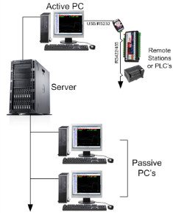
Network Drivers
P1 | Active PC will support 1 Passive PC | $760.00 | $532.00 | €472.00
P2 | Active PC will support 2 Passive PC's | $1,210.00 | $847.00 | €751.00
P3 | Active PC will support 3 Passive PC's | $1,660.00 | $1,162.00 | €1,030.00
P4 | Active PC will support 4 Passive PC's | $2,100.00 | $1,470.00 | €1,302.00
P5 | Active PC will support 5 Passive PC | $2,540.00 | $1,778.00 | €1,575.00
P6+ | Active PC will support 6 or more passive nodes | $2,780.00 | $1,946.00 | €1,724.00

Upgrade options - Dongle / Software Key / Version / Package + Modules |  | NZ$ | US$ | EUR€
Version Upgrade | V4 to V5 = 35% of the equivalent V5 list price including all modules plus Dongle or License Key Upgrade | 35% | 35% | 35%
Package + Modules Upgrade | Upgrading to a larger package + modules combination. Price is the dollar difference between packages + modules plus and plus Dongle or License Key Upgrade | $230.00 | $161.00 | €143.00
Dongle Upgrade | If you require a USB (Super Pro) dongle (see Notes below) | $396.00 | $278.00 | €246.00
License Key Upgrade | If you already have a USB or Parallel (Super Pro) dongle. Replacement for lost file. | $181.00 | $127.00 | €113.00
Note 1: | Dongle options: USB (standard) or Parallel (on special request) - Dongle includes the License Key. Old Sentinel C dongles are now redundant and must be returned to Intech
Note 2: | USB dongles have the advantage of being able to move computer if required without incurring an additional charge. Important Note: Software locking is no longer available!

Page 11


MA5 / Shimaden Lite Software
MicroScan MA5 mobile alarm software - for use with MicroScan V5 and Microsoft .NET 2.0 |  | NZ$ | US$ | EUR€
MA5 | For MicroScan V5 software packages. Customer to supply Modem Kit, see Intech for advice’ | POA | POA | POA
 | Customer to supply Modem Kit, see Intech for advice.
MA5-Lite | For MicroScan V5 R8, R16 & R32 software packages only. Includes all features of MA5 | POA | POA | POA

Shimaden Lite software |  | NZ$ | US$ | EUR€
Shimaden-Lite | Shimaden Lite software package (Note: Shimaden Lite should only be used with Windows 7 or above and is not a replacement for a full SCADA system) | N/C | N/C | N/C

Z-2400 Series (Wireless MicroScan and Data Logging Communication)
ZigBee® Modules. Power Supply: 9~36Vdc. |  | NZ$ | US$ | EUR€
Z-2400-RB-T | ZigBee® Base or Router (RS485, RS422, RS232). 100mW | $415.00 | $291.00 | €258.00
Z-2400-TCP-T | ZigBee® Ethernet - MicroScan or Modbus Base Only. 100mW | $643.00 | $451.00 | €399.00
Z-2400-A2I | ZigBee® Input - 2x Universal inputs, 4x Digital inputs, 2x Digital outputs, 2x Relay outputs. 100mW | $430.00 | $301.00 | €267.00
Z-2400-Sleeper | ZigBee® Sleeper Plug Powered & Battery Powered + 2 Universal Inputs. 1mW | $506.00 | $355.00 | €314.00
Z-2400-BAT | Replacement Z-2400-Sleeper battery | $69.00 | $49.00 | €43.00
XU-USB (Rev 1) | USB Programming Key for programming Z-2400-A2I and Z-2400-Sleeper with XU Software | $74.00 | $52.00 | €46.00
PSW-10-F | 24Vdc, 1.0A Instrument Power Supply for the Z-2400 Series | $49.00 | $35.00 | €31.00
Notes: | All Z-2400 Wireless modules require a 9~36Vdc power supply.
 | 2.4GHz modules certified for use in USA, Canada, Europe, Australia and New Zealand.

2.4GHz Indoor /Outdoor High Gain Antennas |  | NZ$ | US$ | EUR€
2.4Ghz Indoor Antennas for Z-2400 Series.
ZA-OD24-5 | 2.4Ghz Indoor Antenna for Z-2400 Series. Indoor 5.5dBi Omni Directional Rubber Duck Antenna. | $41.00 | $29.00 | €26.00
ZB-P-45 | Extension Coax for Z-2400 Series Indoor Antenna. RP-SMA Type with Bulkhead 0.2m. | $32.00 | $23.00 | €20.00
2.4Ghz Outdoor Antennas for Z-2400 Series.(Outdoor antennas are supplied with mounting brackets and coax-seal) |  |  | $- | €-
ZA-OD24-2 | Outdoor 2.2dBi Omni Directional Whip Antenna c/w 0.5m coax cable. | $118.00 | $83.00 | €74.00
ZA-OD24-8 | Outdoor 8dBi Omni Directional Monopole Antenna c/w 3m coax cable. | $259.00 | $182.00 | €161.00
ZA-PG24-19 | Outdoor 19dBi Directional Parabolic Grid Antenna c/w 3m coax cable. | $221.00 | $155.00 | €138.00

Communication Modules for RS485/422 |  | NZ$ each | US$ each | EUR€ each
Digi485 | Digi Radio Modem for RS485/422 | $490.00 | $343.00 | €304.00

Page 12
Data Loggers
HR Series Data Loggers - rugged 304 stainless steel case |  | NZ$ | US$ | EUR€
T-HR | Single temperature. IP68 rating | $357.00 | $250.00 | €222.00
HT-HR | Humidity and temperature | $482.00 | $338.00 | €299.00
Tc-HR | Dual temperature. Type J, K, N, R, T (Does not include thermocouple probe) | $464.00 | $325.00 | €288.00
HHT-03 | Type K thermocouple temperature probe for Tc-HR | $43.00 | $31.00 | €27.00
Tc-HR Plug Set | 70mm lead c/w plugs (Specify thermocouple type). Includes Switchcraft plug (logger end) and Mini jack (connects to T/c Mini plug). Mini plugs are also available on request. | $48.00 | $34.00 | €30.00
Pt-HR | Dual temperature. RTD Pt100/Pt500/Pt1000 (Does not include RTD probe) | $418.00 | $293.00 | €260.00
TP-Pt100 | RTD Pt100 temperature probe for Pt-HR, range -100~150°C | $108.00 | $76.00 | €67.00
mV-HR | milli-Volt ±50mV / ±100mV / ±200mV / ±400mV dc range (does not include test lead) | $414.00 | $290.00 | €257.00
mV-HR Lead | Test lead set | $95.00 | $67.00 | €59.00
WT-HR | Water level, air temperature, and water temperature
Water level, | 0~0.25m WT-HR-250 | $594.00 | $416.00 | €369.00
5 ranges | 0~0.5m WT-HR-500 | $612.00 | $429.00 | €380.00
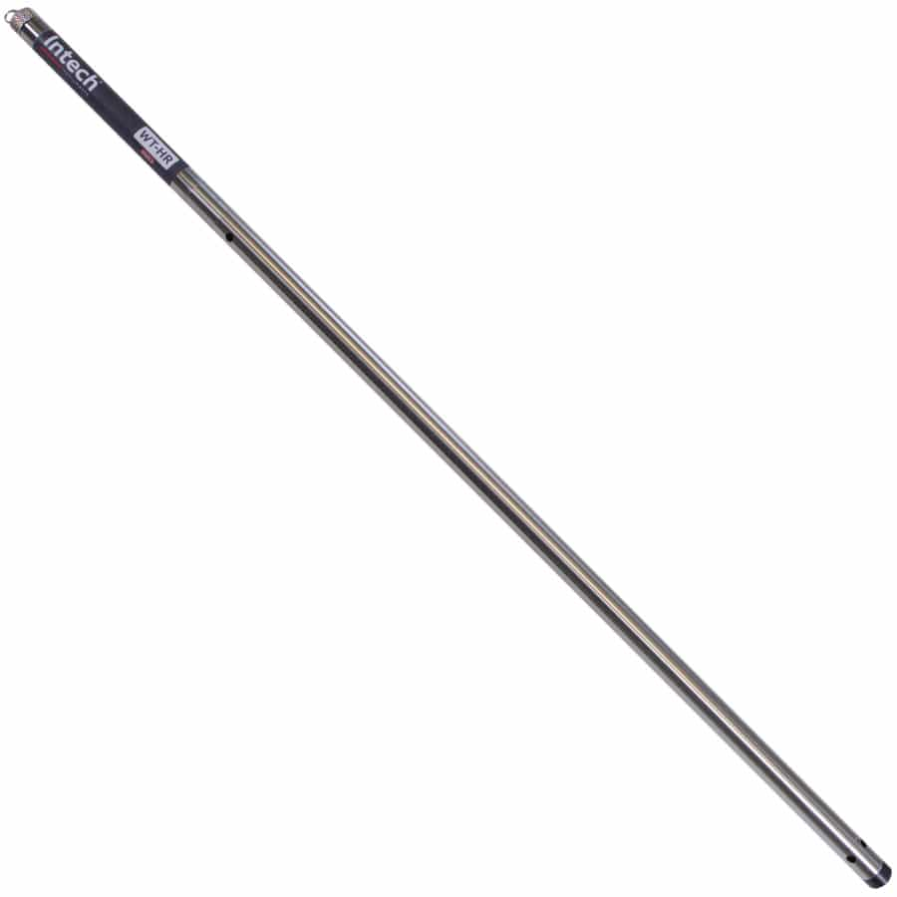
 | 0~1.0m WT-HR-1000 | $675.00 | $473.00 | €419.00
 | 0~1.5m WT-HR-1500 | $729.00 | $511.00 | €452.00
 | 0~2.0m WT-HR-2000 | $774.00 | $542.00 | €480.00
 | Option for 316 S/S for salt water | $123.00 | $87.00 | €77.00

pH-HR | pH and temperature (Does not include pH probe - see Page 15 for probes) | $422.00 | $296.00 | €262.00
pH-HR Plug Set | Fit plug set to pH sensor for use with pH-HR logger. We recommend using a pH sensor fitted with a RTD Pt100 sensor for the best possible accuracy. | $48.00 | $34.00 | €30.00
GP-HR | 4 input general purpose logger (Also requires the Add on probe sets below) | $443.00 | $311.00 | €275.00
Add on probe sets for GP-HR | Standard probe sets are listed. Other combinations available - Contact Intech.
mA1-PS | One 4~20mA or 0~20mA input | $55.00 | $39.00 | €35.00
mA3+P-PS | Three 4~20mA or 0~20mA inputs c/w one pulse input | $77.00 | $54.00 | €48.00
##VD3-PS | Three DC voltage inputs. ## = Specify voltage up to 32Vdc | $75.00 | $53.00 | €47.00
L-PS | Light energy cable | $70.00 | $49.00 | €44.00
Pt3-PS | Three RTD Pt1000 temperature probes, range -50~130°C (Logger maximum RTD Pt1000 range is -100~400°C) | $220.00 | $154.00 | €137.00
P100-HR-PS | Pressure sensor. Range = -15~100psi (Overload 200psi, Burst 500psi). | $520.00 | $364.00 | €323.00
P300-HR-PS | Pressure sensor. Range = -15~300psi (Overload 600psi, Burst 1500psi). | $520.00 | $364.00 | €323.00
R-PS | One Slow Pulse for Rain Gauge input | $60.00 | $42.00 | €38.00
Flow-mA2-PS | Coil or open collector plus two 4~20mA inputs | $105.00 | $74.00 | €66.00
ACM-mA2-PS | Flow metering off the pump run contact plus two 4~20mA inputs | $98.00 | $69.00 | €61.00

Replacement Battery Kits - Mark4
DLC Tester Mk4 | Contains One Mark4 battery. Comes complete with stainless tube, 2 Orings & new label. | $125.00 | $88.00 | €78.00
DLC Tester Mk4 Kit | Contains Three Mark4 batteries. Comes complete with stainless tube, 2 Orings & new label. | $200.00 | $140.00 | €124.00
HR-Battery Mk4 | Spare Mark4 battery ONLY available at the time of purchase of an HR Data logger. | $60.00 | $42.00 | €38.00
HR-Battery Mk3 | Mark3 loggers must be returned to Intech for factory replacement of batteries.
DLC3USB | Spare HR Series download cable (USB) | $115.00 | $81.00 | €72.00
Omni7 | Omni7 software in USB/CD (Free to download from our website) | $25.00 | $18.00 | €16.00

